Test Cases - Funtional
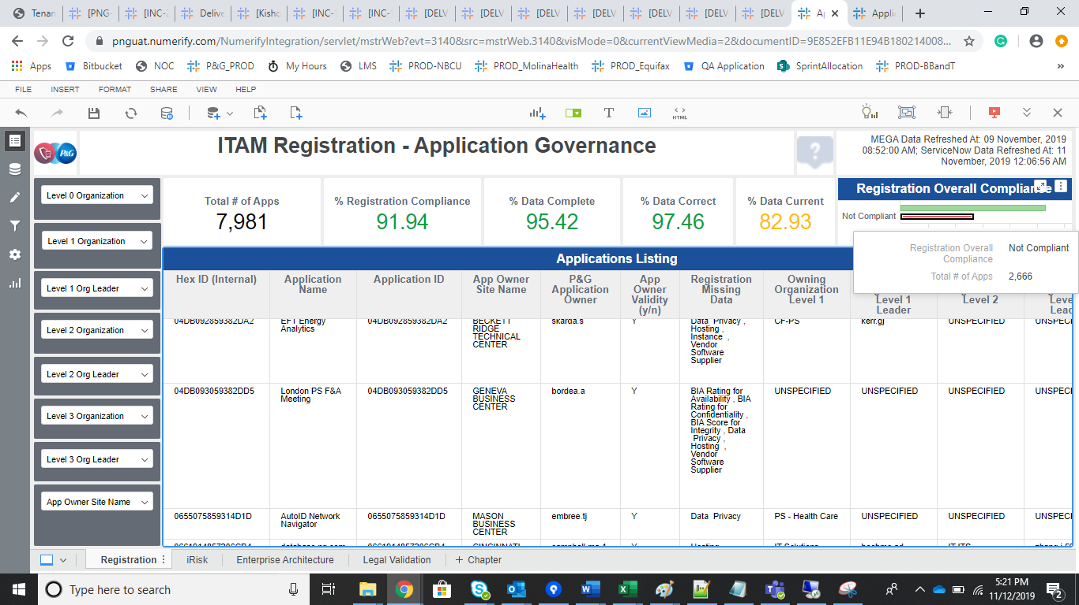
INDEX

TC_No | Test Case | Test Description | Expected Result | Actual Result | Result | Defect JIRA # | Comments
1 | INC-1993 | Threshold calculation inaccuracy | App witth 63CE863B5ACF5DCA Transportation Optimization Mgmt was tagged as noncompliant in BIA which lists the app at 80% complete. The app is still in Discovery phase and BIA is not required. ~* Please see Zendesk Support tab for further comments and attachments.~ | The Logic should be Updated as Application should be marked as Complaint (Not a Gap) when the BIA's attributes are UNSPECIFIED and Life Cycle Status in Discovery/Requ. | pass

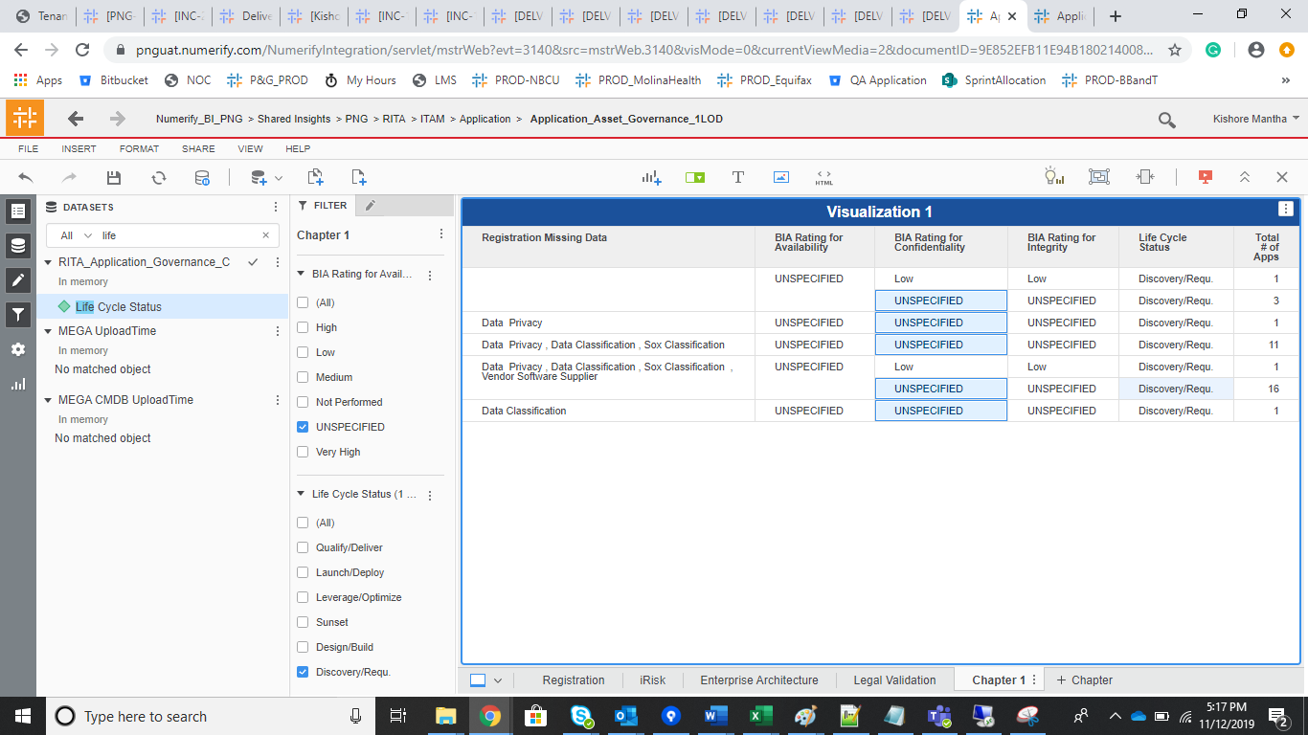
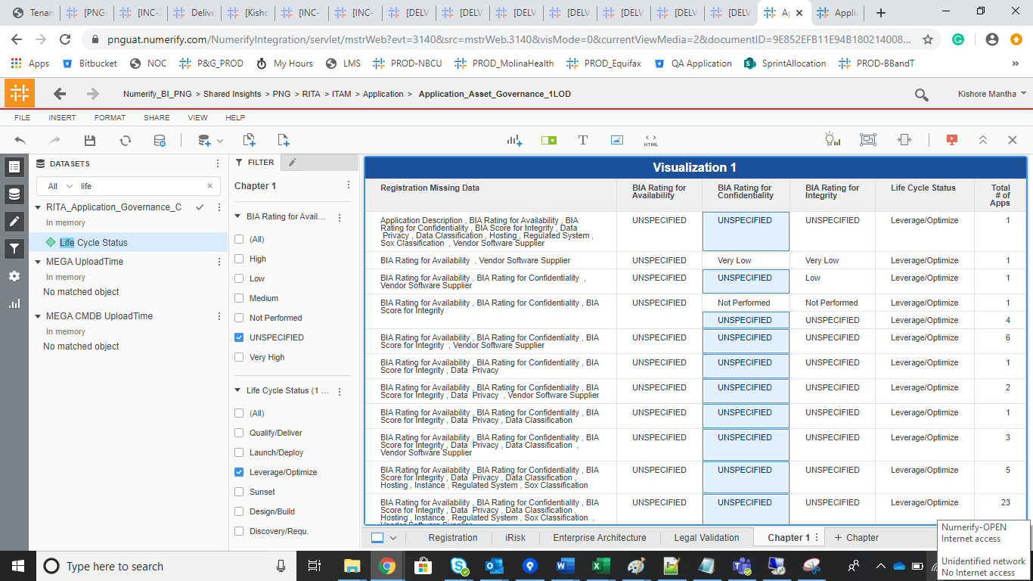

 |  | User reported issues test data
 |  | 63CE863B5ACF5DCA
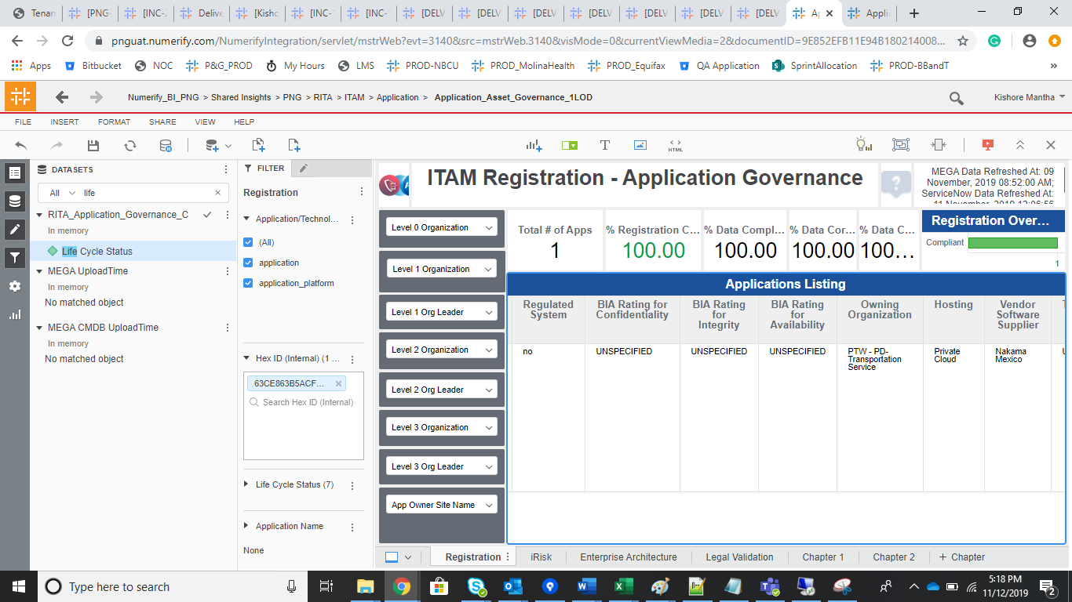

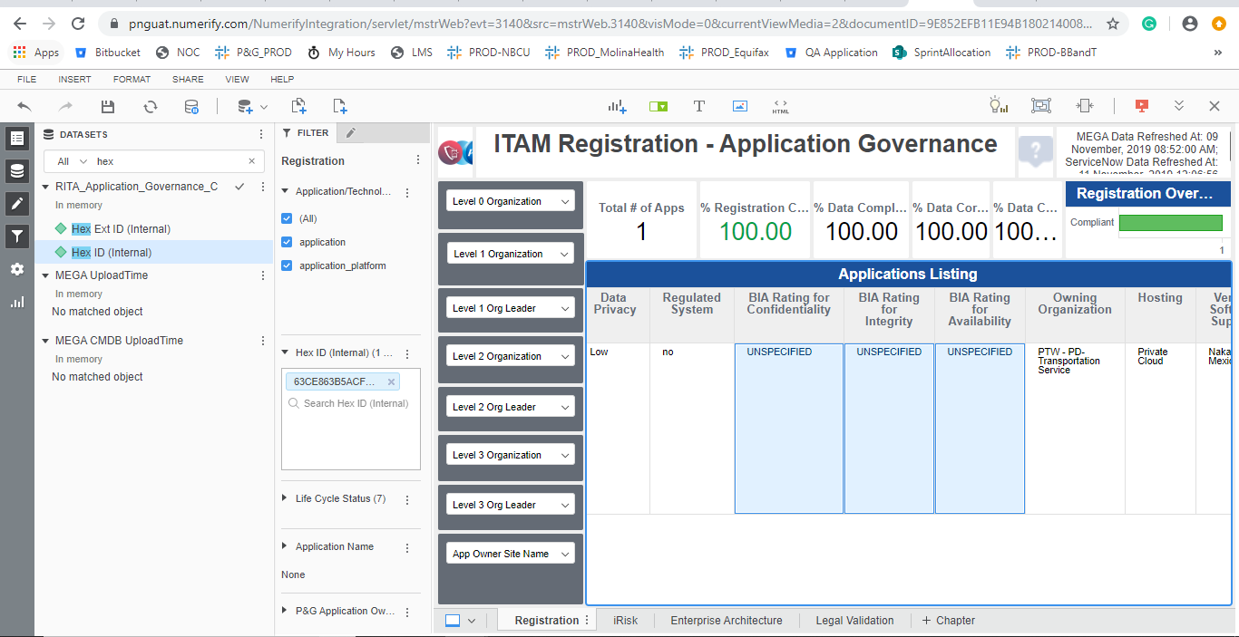

 |  | Regression for other Test data

